Transportation Problem
Transportation Problem |  |  |  |  |  | Canada Dry ships its beverages from Toronto, Vancouver and Montreal to Edmonton, Manitoba and Yukon. Shipment costs from Toronto to Edmonton, Manitoba and Yukon are $5, $4 and $3 respectively, from Vancouver $8, $4 and $3 respectively, and from Montreal, $9, $7 and $5 respectively. While the output from Toronto, Vancouver and Montreal is 100, 300 and 300 units, Demand in Edmonton, Manitoba and Yukon is 300, 200 and 200. The company wants to design a model to minimize the total cost of transportation.
Data Table | Destination
Sources |  | Edmonton | Manitoba | Yukon | Output
 | Toronto | 5 | 4 | 3 | 100
 | Vancouver | 8 | 4 | 3 | 300
 | Montreal | 9 | 7 | 5 | 300
 | Demand | 300 | 200 | 200

Shipment Table | Destination
Sources |  | Edmonton | Manitoba | Yukon | Output | Solution:
 | Toronto | 100 | 0 | 0 | 100 |  | Edmonton | Manitoba | Yukon
 | Vancouver | 0 | 200 | 100 | 300 | Toronto | 100 | 0 | 0
 | Montreal | 200 | 0 | 100 | 300 | Vancouver | 0 | 200 | 100
 | Demand | 300 | 200 | 200 |  | Montreal | 200 | 0 | 100

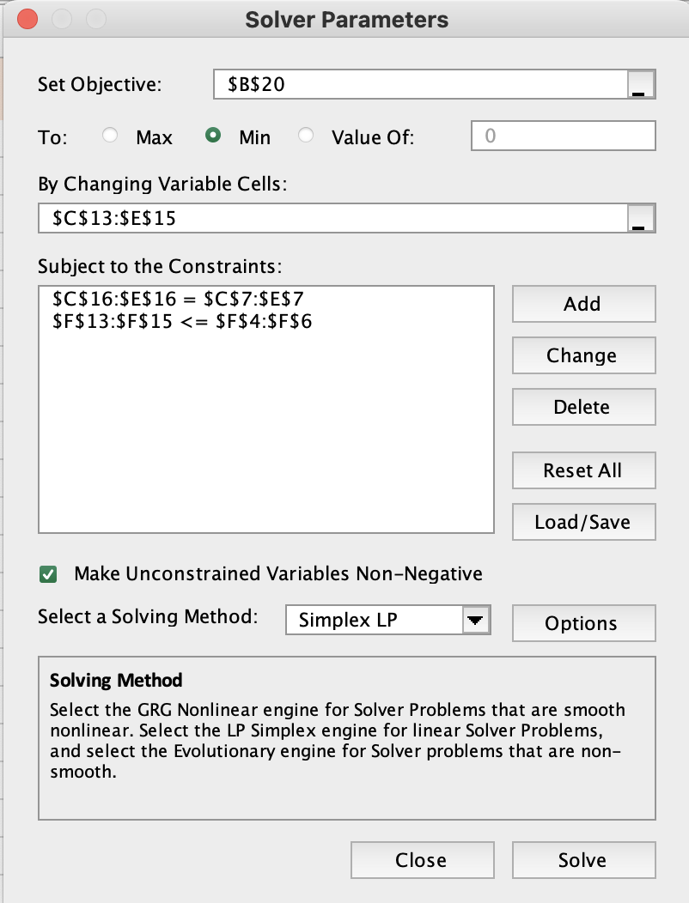
Objective (min)
Total Cost: | 3900

Construction Problem
Data Table |  |  |  |  | Scenario
 | Project A | Project B | Project C | Capacity | The Osbourne Concrete Company has plants in three locations and is currently working on three major construction projects, each located at a different site. The shipping cost per truckload of concrete, daily plant capacities, and daily project requirements are provided in the table below.
Plant 1 | 10 | 4 | 9 | 80
Plant 2 | 12 | 6 | 8 | 40
Plant 3 | 8 | 9 | 5 | 30 |  | Project A | Project B | Project C | Capacity
Requirements | 50 | 40 | 60 |  | Plant 1 | $10 | $4 | $9 | 80
 |  |  |  |  | Plant 2 | $12 | $6 | $8 | 40
 |  |  |  |  | Plant 3 | $8 | $9 | $5 | 30
Shipment Table |  |  |  |  | Requirements | 50 | 40 | 60
 | Project A | Project B | Project C | Capacity | Determine the least-cost way for Osbourne Concrete to meet their requirements.
Plant 1 | 40 | 40 | 0 | 80
Plant 2 | 0 | 0 | 40 | 40 | Solution:
Plant 3 | 10 | 0 | 20 | 30 |  | Project A | Project B | Project C
Requirements | 50 | 40 | 60 |  | Plant 1 | 40 | 40 | 0
 |  |  |  |  | Plant 2 | 0 | 0 | 40
 |  |  |  |  | Plant 3 | 10 | 0 | 20
Objective (min)
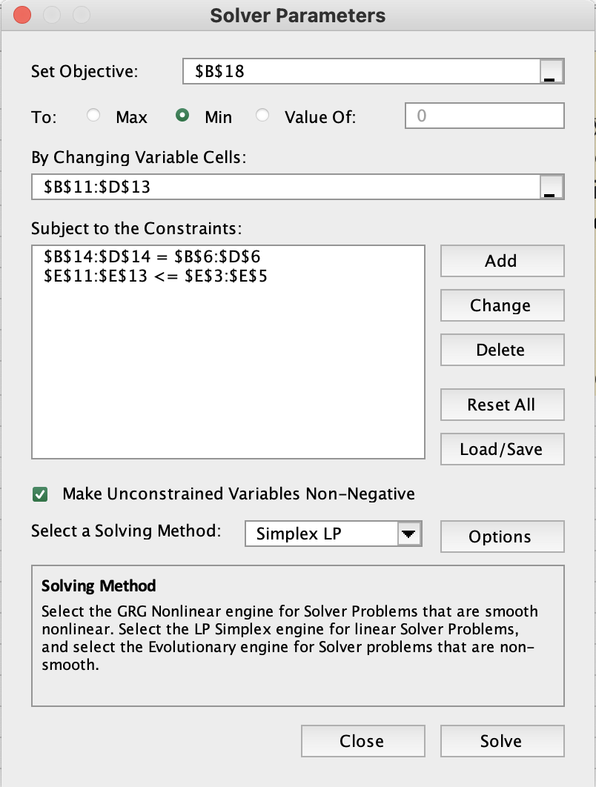
Total Cost: | 1060

Assignment Problem
Cost Table (given) | Relocation: |  |  |  |  |  | A company has three new hires: Jones, Smith, and Wilson. They can be sent to any one of four offices: in Omaha, Dallas, New York, or Miami. Only one candidate can be sent to each office. The cost to relocate each candidate to each of the offices is shown in the table below.
 | Omaha | Miami | Dallas | New York
Jones | $800 | $1,100 | $1,200 | $1,000
Smith | $500 | $1,600 | $1,300 | $800
Wilson | $500 | $1,000 | $2,300 | $1,500
 |  |  |  |  |  |  |  | Omaha | Miami | Dallas | New York
 |  |  |  |  |  |  | Jones | $800 | $1,100 | $1,200 | $1,000
 |  |  |  |  |  |  | Smith | $500 | $1,600 | $1,300 | $800
Assignment Table | Relocation: |  |  |  |  |  | Wilson | $500 | $1,000 | $2,300 | $1,500
 | Omaha | Miami | Dallas | New York | Total | Sign |  |  | Solution:
Jones | $0 | $1 | $0 | $0 | 1 | = | 1 |  | The company should relocate Jones in Miami, Smith in New York and Wilson in Omaha to reduce relocation costs to $2400.
Smith | $0 | $0 | $0 | $1 | 1 | = | 1
Wilson | $1 | $0 | $0 | $0 | 1 | = | 1
Total | 1 | 1 | 0 | 1
 | <= | <= | <= | <=
 | 1 | 1 | 1 | 1

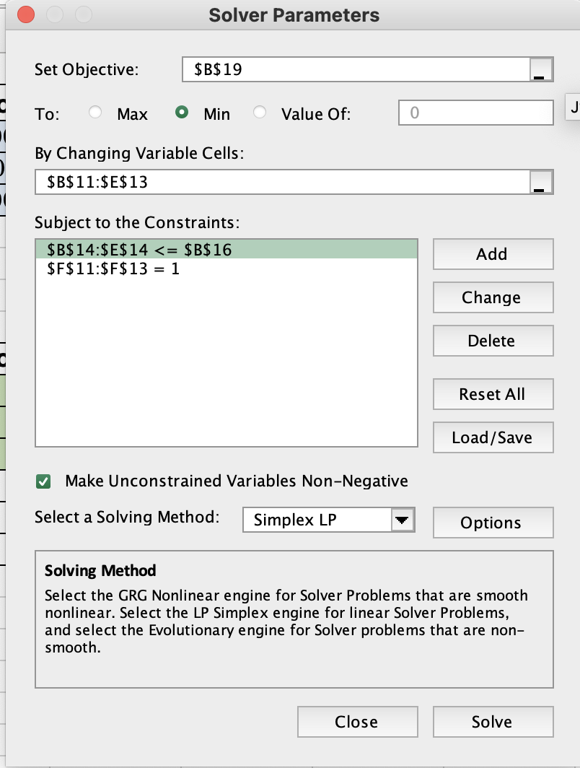
Objective (min)
Relocation Costs: | 2400

MLB Empire
Data(given) | Travel Distance |  |  |  |  |  |  | Crews of Major League Baseball (MLB) umpires are currently in the cities of Seattle, Arlington, Oakland, and Baltimore. The crews need to get sent to games that are soon beginning in Kansas City, Chicago, Detroit, and Toronto. Estimated travel distances (in miles) between the cities are shown in the table below.
 | Kansas City | Chicago | Detroit | Toronto
Seattle | 1500 | 1730 | 1940 | 2070
Arlington | 460 | 810 | 1020 | 1270 |  |  |  | Due to a union requirement, the MLB is not allowed to send any crew from Oakland to Toronto.
Oakland | 1500 | 1850 | 2080 | x |  |  |  | Assign one umpire crew to each city (only one per city) to minimize the total distance traveled.
Baltimore | 960 | 610 | 400 | 330
 |  |  |  |  |  |  |  |  | Kansas City | Chicago | Detroit | Toronto
 |  |  |  |  |  |  |  | Seattle | 1500 | 1730 | 1940 | 2070
Assignment Table |  |  |  |  |  |  |  | Arlington | 460 | 810 | 1020 | 1270
 | Kansas City | Chicago | Detroit | Toronto | Total | Sign |  | Oakland | 1500 | 1850 | 2080 | X
Seattle | 0 | 0 | 1 | 0 | 1 | = | 1 | Baltimore | 960 | 610 | 400 | 330
Arlington | 0 | 1 | 0 | 0 | 1 | = | 1
Oakland | 1 | 0 | 0 | 0 | 1 | = | 1 |  | Solution:
Baltimore | 0 | 0 | 0 | 1 | 1 | = | 1 |  |  | Kansas City | Chicago | Detroit | Toronto
Total | 1 | 1 | 1 | 1 |  |  |  |  | Seattle | 0 | 0 | 1 | 0
 | = | = | = | = |  |  |  |  | Arlington | 0 | 1 | 0 | 0
 | 1 | 1 | 1 | 1 |  |  |  |  | Oakland | 1 | 0 | 0 | 0
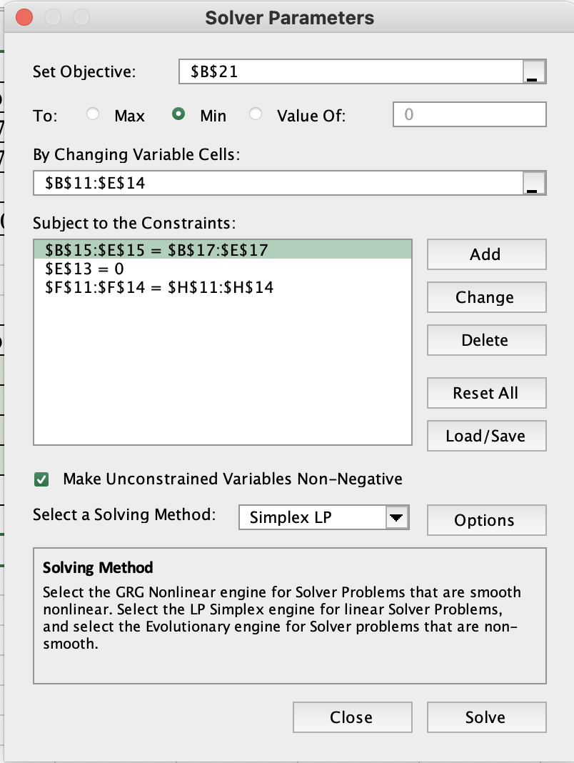
 |  |  |  |  |  |  |  |  | Baltimore | 0 | 0 | 0 | 1
 |  |  |  |  |  |  |  |  | Total Distance: | 4580
Objective(min)
Total Distance: | 4580

Teaching Evaluations
Data (given) |  |  |  |  |  |  |  | Richard Whiteless, chairman of a college’s business department, has decided to apply a new method in assigning professors to courses next semester. As a criterion for judging who should teach each course, Professor Whiteless reviews the past two years’ teaching evaluations (which were filled out by students). Since each of the four professors taught each of the four courses at one time or another during the two-year period, Whiteless is able to record a course rating for each instructor. These ratings are shown in the following table. Find the best assignment of professors to courses to maximize the overall teaching rating.
 | Statistics | Management | Finance | Economics
Bain | 80 | 85 | 95 | 40
Carey | 85 | 30 | 75 | 65
Dio | 90 | 55 | 80 | 70
Powell | 55 | 80 | 65 | 50

 |  |  |  |  |  |  |  |  | Statistics | Management | Finance | Economics
 |  |  |  |  |  |  |  | Bain | 80 | 85 | 95 | 40
 | Statistics | Management | Finance | Economics | Total | Sign |  | Carey | 85 | 30 | 75 | 65
Bain | 0 | 0 | 1 | 0 | 1 | = | 1 | Dio | 90 | 55 | 80 | 70
Carey | 1 | 0 | 0 | 0 | 1 | = | 1 | Powell | 55 | 80 | 65 | 50
Dio | 0 | 0 | 0 | 1 | 1 | = | 1
Powell | 0 | 1 | 0 | 0 | 1 | = | 1 | Solution:
 | 1 | 1 | 1 | 1 |  |  |  | OVERALL TEACHING RATE : 330
 | = | = | = | =
 | 1 | 1 | 1 | 1

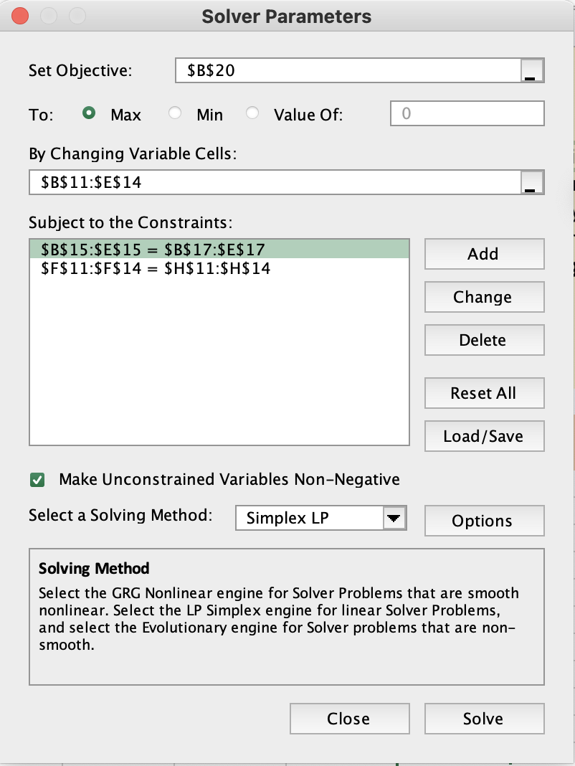
Objective(max)
Teaching Rate: | 330

